Hoja1
Pearson
 | Quantity | Energy consumption | (x-x̄)(y-ȳ) | (x-x̄)^2 | (y-ȳ)^2
 | 8 | 82 | 7.5 | 1 | 56.3
 | 11 | 95 | 82.0 | 16 | 420.3
 | 12 | 69 | -27.5 | 25 | 30.3
 | 3 | 71 | 14.0 | 16 | 12.3
 | 5 | 60 | 29.0 | 4 | 210.3
 | 13 | 100 | 153.0 | 36 | 650.3
 | 10 | 83 | 25.5 | 9 | 72.3
 | 2 | 65 | 47.5 | 25 | 90.3
 | 0 | 50 | 171.5 | 49 | 600.3
 | 6 | 70 | 4.5 | 1 | 20.3
Mean | 7.0 | 74.5

r | 0.80815414968

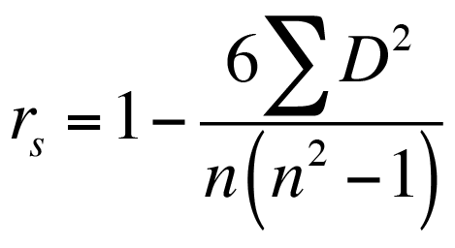
Spearman's
 | Quantity | Energy consumption | Rank of x(i) | Rank of y(i) | d(i) | d(i)^2
 | 0 | 50 | 1 | 1 | 0 | 0
 | 2 | 65 | 2 | 3 | -1 | 1
 | 3 | 71 | 3 | 6 | -3 | 9
 | 5 | 60 | 4 | 2 | 2 | 4
 | 6 | 70 | 5 | 5 | 0 | 0
 | 8 | 82 | 6 | 7 | -1 | 1
 | 10 | 83 | 7 | 8 | -1 | 1
 | 11 | 95 | 8 | 9 | -1 | 1
 | 12 | 69 | 9 | 4 | 5 | 25
 | 13 | 100 | 10 | 10 | 0 | 0
 |  |  |  |  | Sum | 42
 |  |  |  |  | p | 0.74545454545


Kendall's
 | Quantity | Energy consumption | Rank of x(i) | Rank of y(i) | nc | nd
 | 0 | 50 | 1 | 1 | 9 | 0
 | 2 | 65 | 2 | 3 | 7 | 1
 | 3 | 71 | 3 | 6 | 4 | 3
 | 5 | 60 | 4 | 2 | 6 | 0
 | 6 | 70 | 5 | 5 | 4 | 1
 | 8 | 82 | 6 | 7 | 3 | 1
 | 10 | 83 | 7 | 8 | 2 | 1
 | 11 | 95 | 8 | 9 | 1 | 1
 | 12 | 69 | 9 | 4 | 1 | 0
 | 13 | 100 | 10 | 10
 |  |  |  | sum | 37 | 8
 |  |  |  | t | 0.64444444444

